Sheet1
Style# | Picture | Units | Notes | Style# | Picture | Units | Notes | Style# | Picture | Units | Notes
1823J | 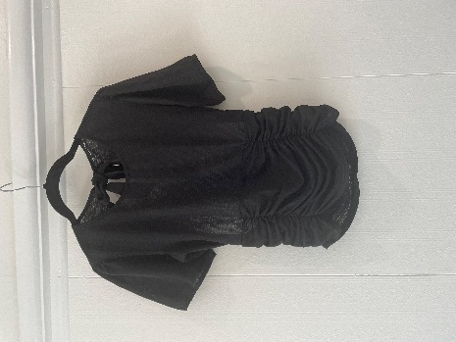 | 250 | Prepack 1:1:1:1:1 | 1475J | 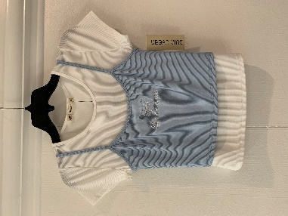 | 900 | S-L 2:2:2 | 1068J | 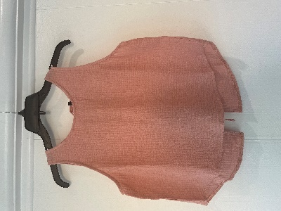 | 294 | 1:2:2:1
1624V | 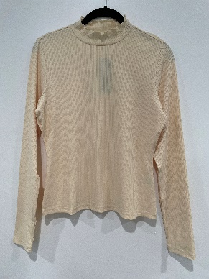 | 546 | 1:2:2:1 | 1472J | 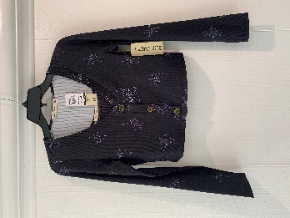 | 960 | S-L 2:2:2 | 1209J | 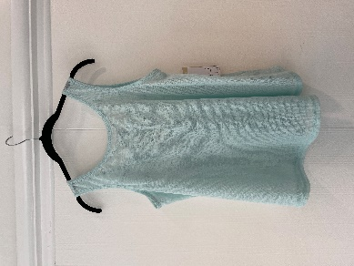 | 1897 | *PACKED BULK by size Xsmall/159 Small/474 Med/568 Large/539 Xlarge/157
1497J | 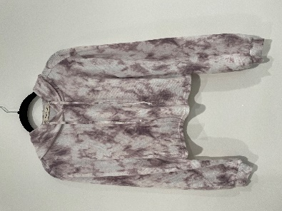 | 1410 | S-L 2:2:2 | 1443J | 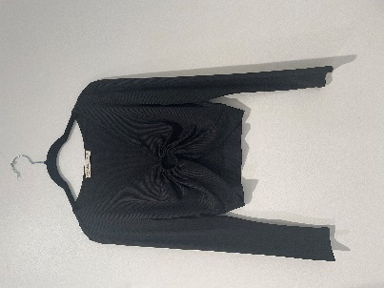 | 132 | 1:2:2:1 | 1764JX | 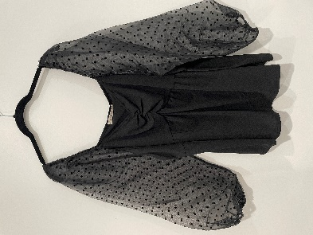 | 618 | *PLUS SIZE 1XL-3XL 2:2:2
1497J | 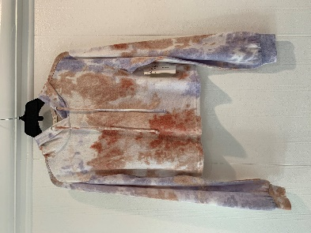 | 1218 | S-L 2:2:2 | 1443J | 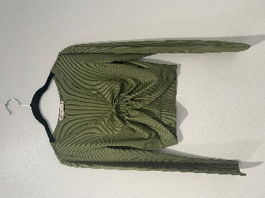 | 120 | 1:2:2:1 | 1728J | 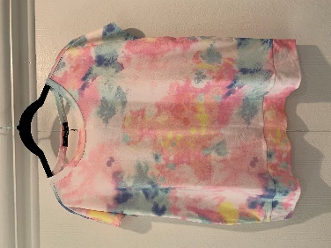 | 618 | *Open back - prepack 1:2:2:1
1219J | 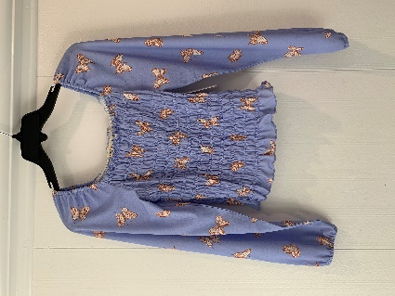 | 762 | S-L 2:2:2 | 1443J | 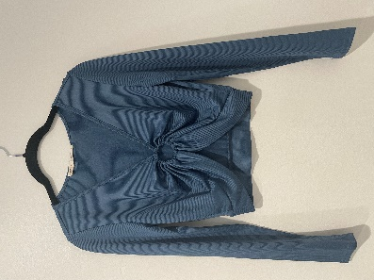 | 138 | 1:2:2:1 | 1728J | 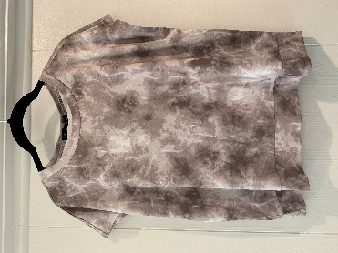 | 618 | *Open back - prepack 1:2:2:2 | 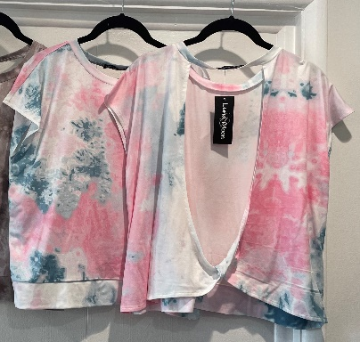
 |  | 4186 |  |  |  | 2250 |  |  |  | 4045

